Sheet1
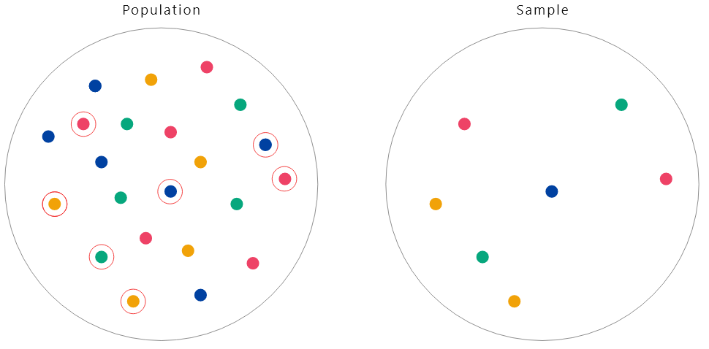
Topic | Sampling Methods
Excel function used | RANDARRAY

Population size | N | 22
Sample size | n | 7

Use the "RANDARRAY" function by typing =RANDARRAY(7,1,1,22,TRUE).
It will generate 1 column of 7 whole numbers (possibly with repeats) between 1 and 22
Changing the last parameter from TRUE to FALSE will give you a list of 7 decimals, instead
RANDARRAY is "volatile" function. Its results get re-calculated everytime you make changes to the worksheet

This list was generated by entering =RANDARRAY(7,1,1,22,TRUE) in cell B20

12
11
4
12
4
17
4

